V1607840002
Measuring Instrument Verification Record
Company name: Mano Engineering LLC |  |  |  |  |  |  |  | Inspector: KK
Part No. | A | B | C | D | E | F | G | Remark
1 | 8 | 9.08 | 9.8 | 3.355 | 0.32 | 3.06 | 5.14
2 | 8.01 | 9.09 | 9.81 | 3.335 | 0.4 | 2.98 | 5.14
3 | 8.01 | 9.07 | 9.84 | 3.355 | 0.38 | 3.08 | 5.14
4 | 8.01 | 9.18 | 9.77 | 3.36 | 0.22 | 3.05 | 5.13
5 | 7.99 | 9.09 | 9.81 | 3.37 | 0.43 | 3.03 | 5.1
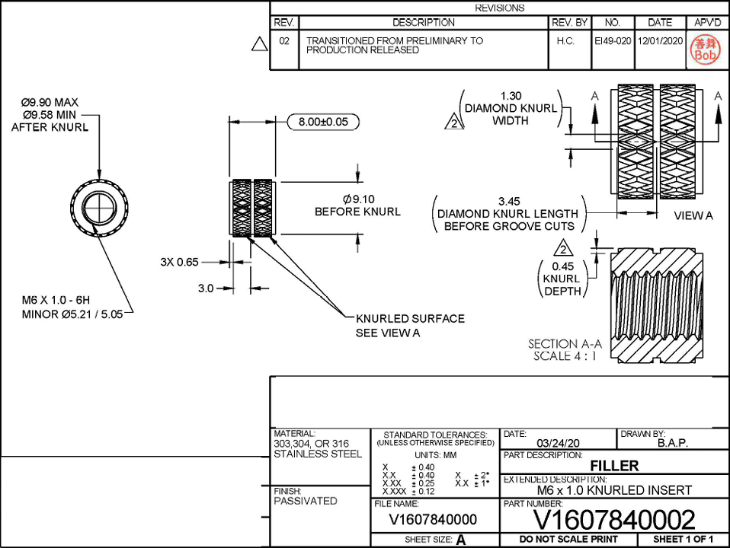

C
A

B
D

E

F

G

V1607840105
Measuring Instrument Verification Record
Company name: Mano Engineering LLC |  |  |  |  |  |  | Inspector: KK
Part No. | A | B | C | D | E | F | Remark
1 | 19 | 10.25 | 11.78 | 5.11 | 1.12 | 3.84
2 | 19 | 10.26 | 11.8 | 5.15 | 1.19 | 3.47
3 | 19 | 10.26 | 11.77 | 5.16 | 1.21 | 3.58
4 | 19 | 10.25 | 11.8 | 5.13 | 1.21 | 3.76
5 | 19 | 10.25 | 11.78 | 5.16 | 1.24 | 3.82
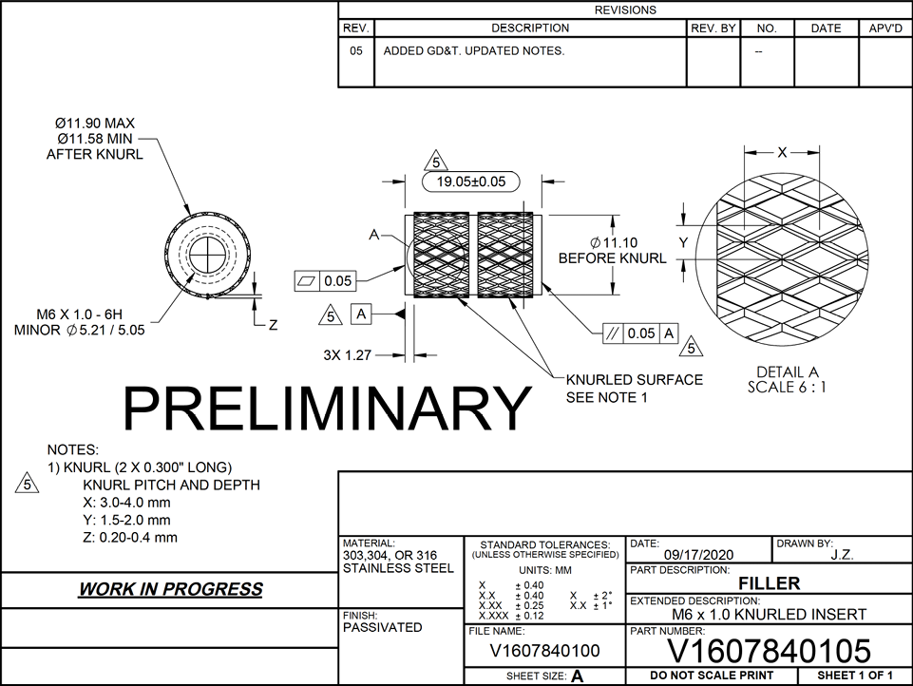

C
F
A

B

D
E

V1602091603
Measuring Instrument Verification Record
Company name: Mano Engineering LLC |  |  |  |  |  | Inspector: KK
Part No. | A | B | C | D | E | Remark
1 | 19.01 | 10.26 | 11.82 | 5.1 | 1.3
2 | 19.02 | 10.26 | 11.81 | 5.09 | 1.2
3 | 19.01 | 10.26 | 11.84 | 5.1 | 1.17
4 | 19.02 | 10.26 | 11.87 | 5.1 | 1.2
5 | 19.03 | 10.27 | 11.8 | 5.12 | 1.36
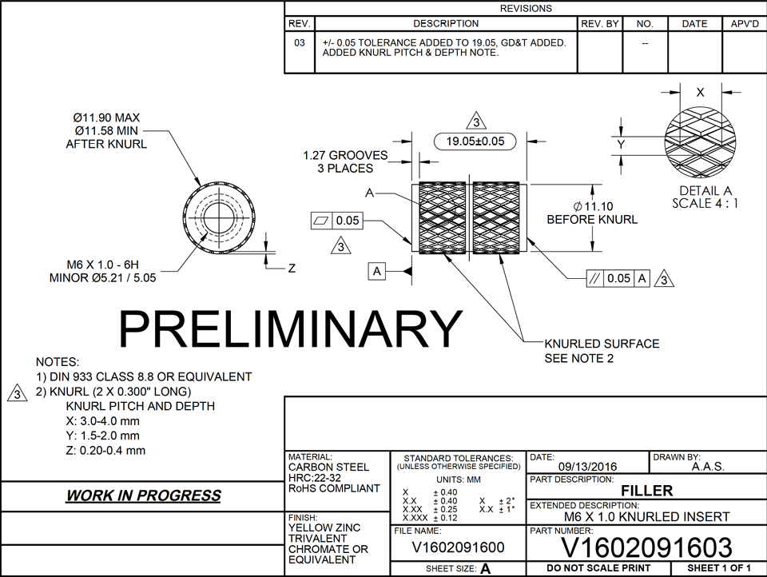

C
A
E

B

D

